Stocks
Item No.: | 370800
Desc.: | Lady's cardigans
Qty.: | 6,000 | pcs
Price: | US$3.64/pc FOB China Port
Material: | 100%cotton
Size: | S, M, L, XL=1:2:2:1
Color: | 1color: navy
Packing: | ctn packing
Brand: | H&M RN No.: 97230

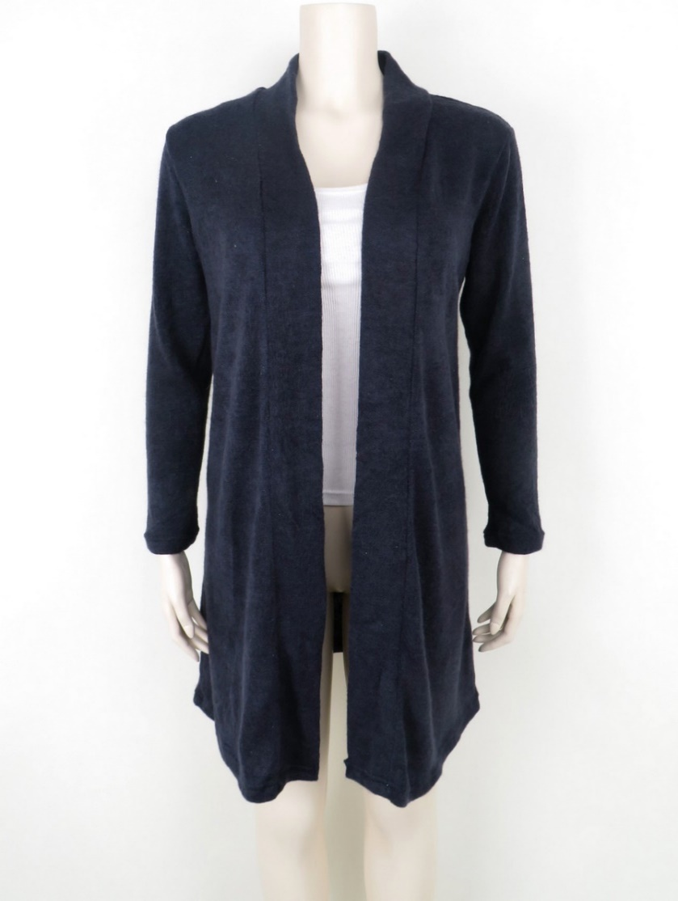 c7513ffb3a7c48e5897e63c22a2fadbb |  |  | 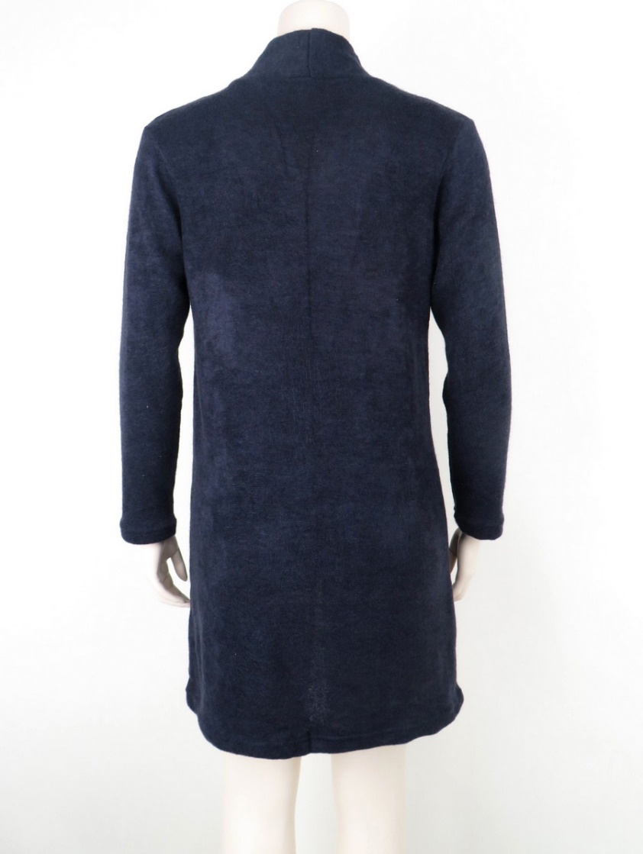 f99f791fe38f2c6e62936b8b4f8d0035 |  |  | 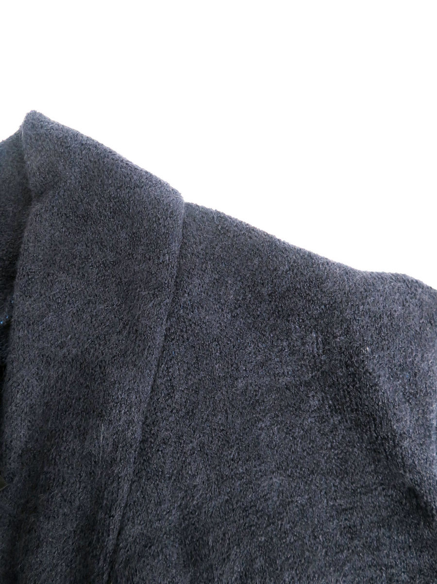 53ee2e2257e9f485938a984a8220a211

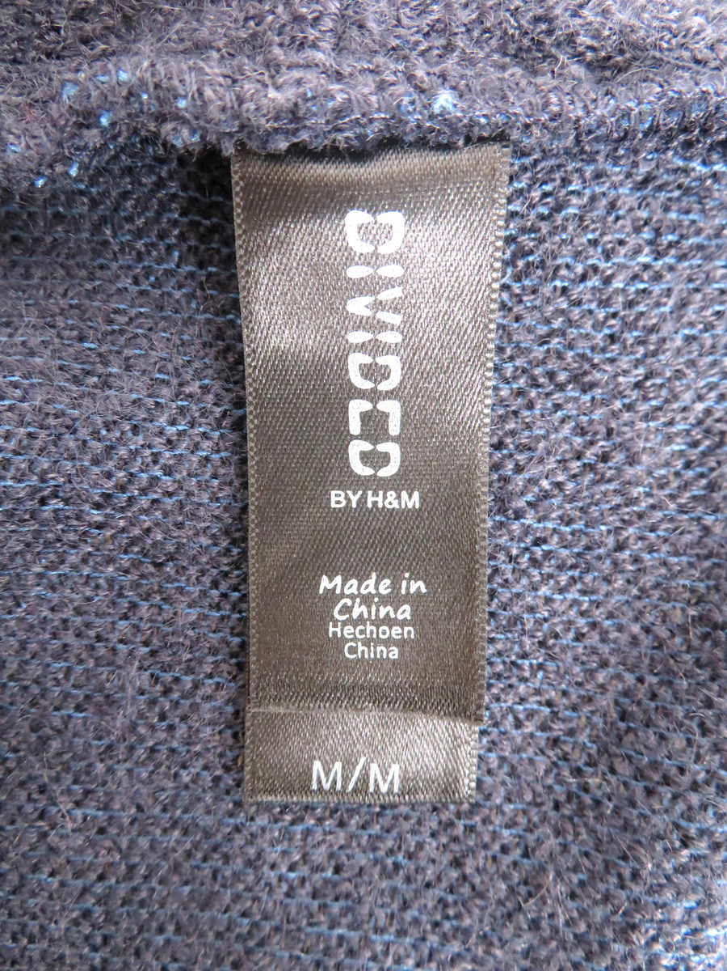 21569673cfe66dc47ef2962d38a45f39 |  |  | 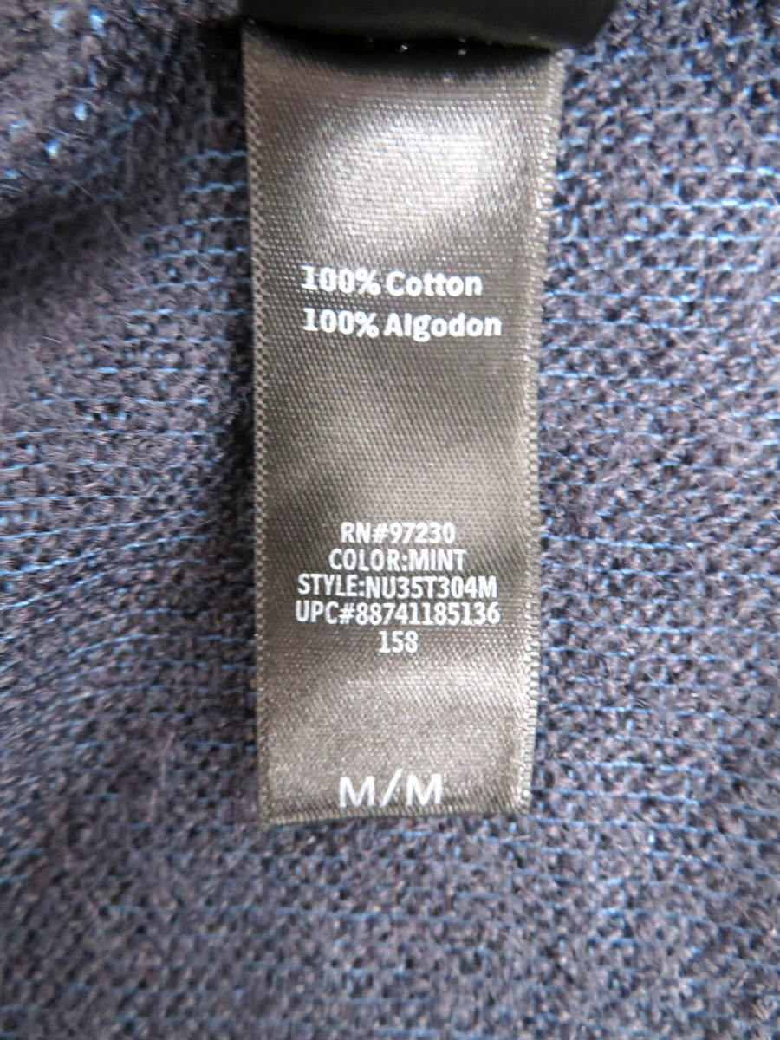 b65e50cd746b195a029f315660f5891b |  |  | 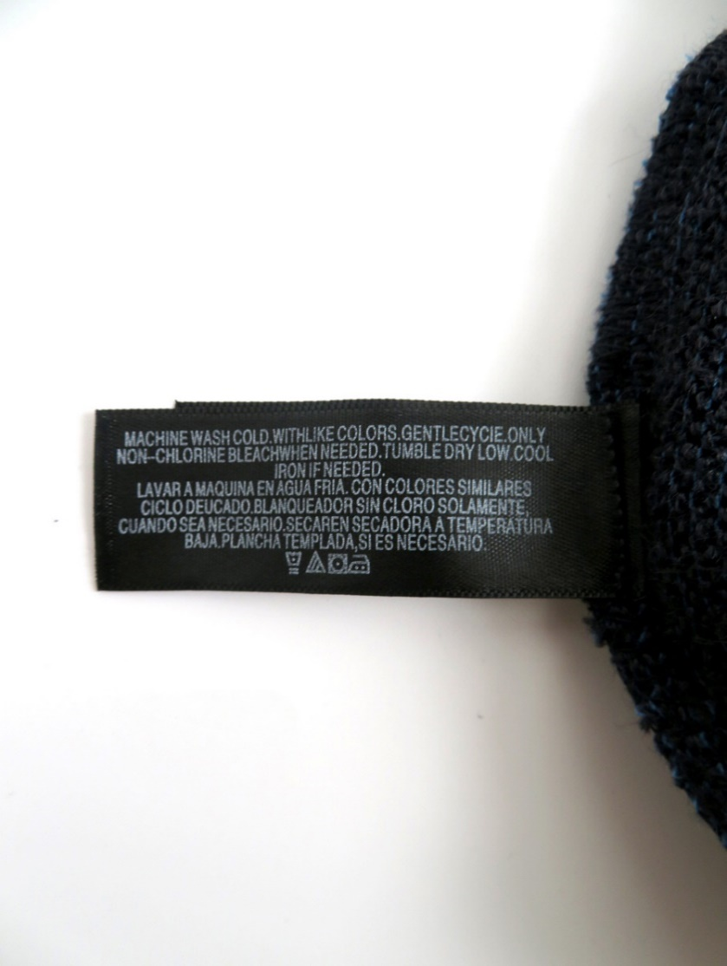 7c2f974ce28fabcc1db9de9d249c60f7

Color |  | Total | S | M | L | XL
navy |  | 6000 | 1000 | 2000 | 2000 | 1000

